Application Screen
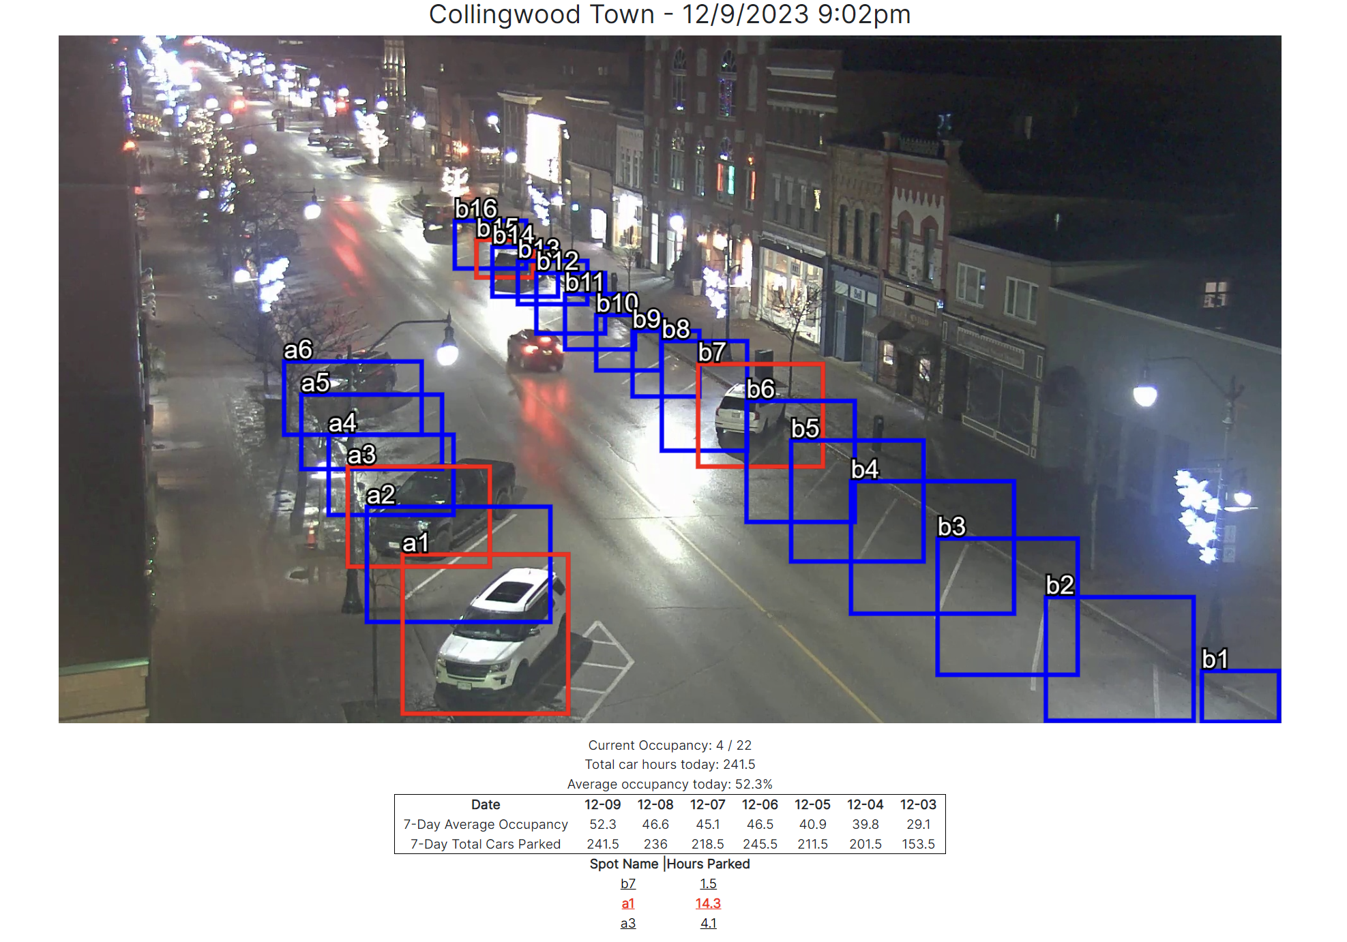

Use Case
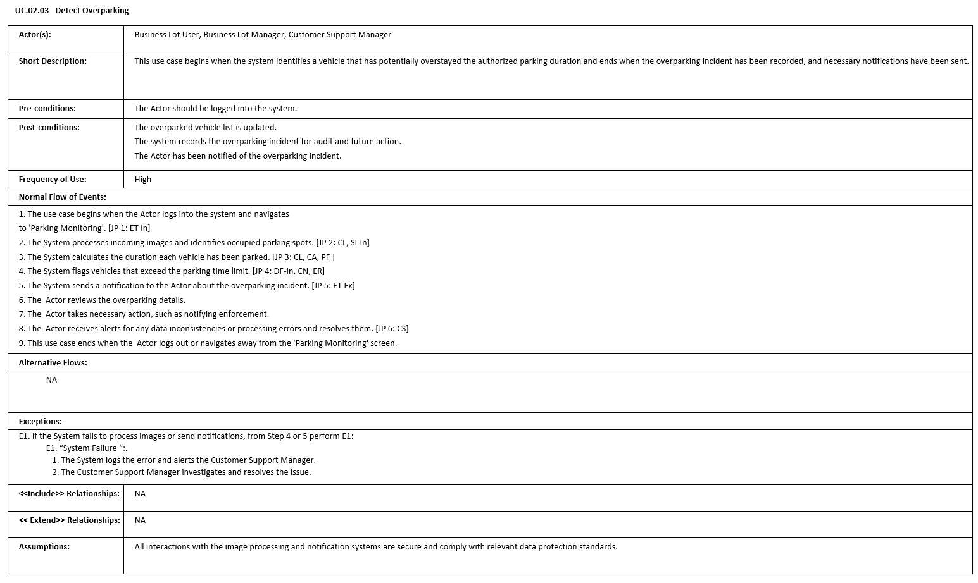

Test Case 5
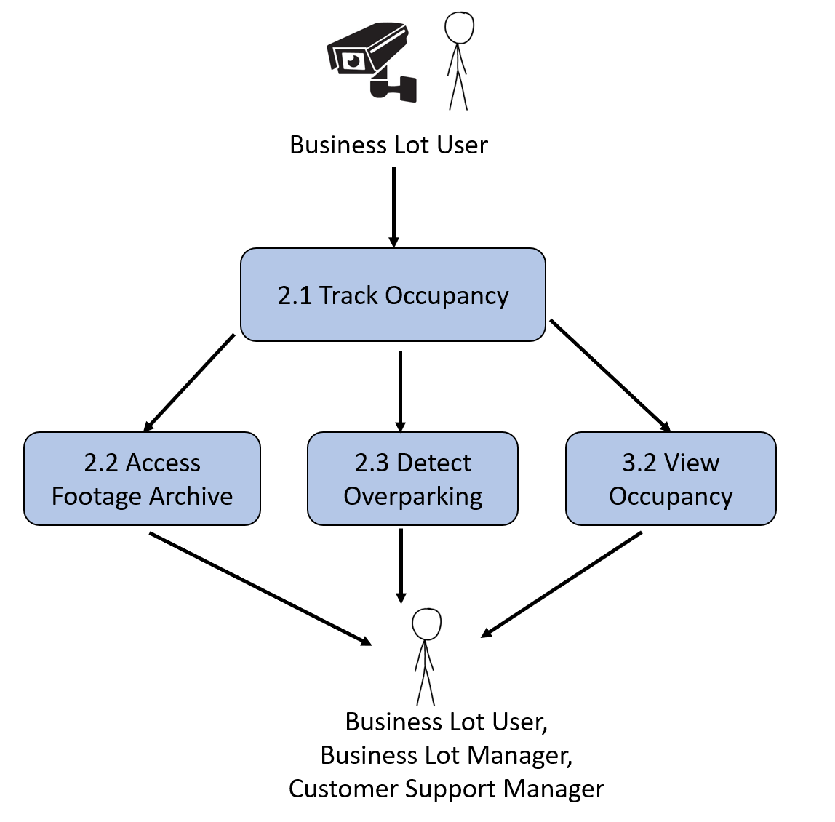
TC Title: | TC5. Data Flow In

TC Objective: | The objective of this test case to verify that the camera images data uploaded and processed in 2.1 Track Occupancy is correctly received in 2.3 Detect Overparking

TC Description
 | Step | Step Description | Expected Results
 | 1 | In a web browser go to qa.gruevy.com > "Browser Parking Lots" > "Collingwood Town". Take screenshot, click "Previous", take another screenshot, click "Previous, and repeat those 2 steps until you have 10 screenshots | You will have 10 screenshots of the 10 most recent imags according to Track Occupancy.
 | 2 | Click 'login' and 'business' from menu. Login using Business default testing acccount (email: business@example.com, password: 123) | You should see the Business Dashboard, including an up to date image of the a lot and its current and past occupancy. Your first screenshot should match the data of the current image on the screen
 | 3 | Click the "Previous" button 9 times. | Each time you click previous, the 9 images will match the screenshots you took in step 1 in the order you took them.
 | 4 | Click "Parking Lot Dashboard" and click back 9 times. | Before you click previous each time, make a note of all cars parked and their current "Hours" value you. Confirm each time you click previous the value goes down by 0.5 for each spot, until the value is 0.5 house, after which it will disappear after clicking back

